Questions
Use the data in the Transactions worksheet to answer the questions below |  |  | Question 2:
The data represents the sales transactions for trainings conducted in the fiscal years 2016 |  |  | In the Report worksheet. create a summary showing the total revenue generated per program
and 2017 for Ruku Analytics Ltd. |  |  | for each of the two years and present the same in a chart similar to the one shown below
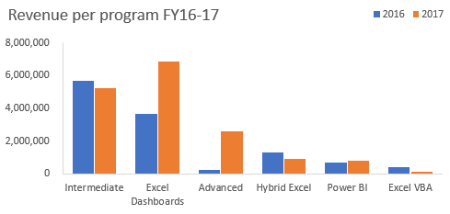
Question 1:
Use a function/formula to populate the following columns:
 | a) | Unit Price -this is based on the price matrix per program given on the Transactions worksheet
 | b) | Sales Amount
 | c) | Year & Month columns based on the transaction date
 | d) | Customer Loading column. This should combine the client code and the client name as shown
 |  | in the image below
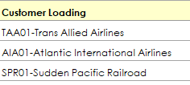

 |  |  | Question 3:
 |  |  | From the chart created in question 2, the share of Power BI is marginal.
 |  |  | The products manager of DC Analytics Ltd feels if efforts are enhanced this program has the
 |  |  | potential to be a main revenue earner.
 |  |  | Please advise the manager on some of the strategies he can implement to achieve this goal. Type your thoughts below

summarisation
Revenue per program FY16-17
Sum of Sales Amount | Column Labels
Row Labels | 2016 | 2017 | Grand Total | Percentage | Percentage Change
Advanced | 264600 | 2623950 | 2888550 | 10.10% | 81.68%
Excel Dashboards | 3657445 | 6849397 | 10506842 | 36.75% | 30.38%
Excel VBA | 435200 | 163200 | 598400 | 2.09% | -45.45%
Hybrid Excel | 1315560 | 900120 | 2215680 | 7.75% | -18.75%
Intermediate | 5668540 | 5218060 | 10886600 | 38.08% | -4.14%
Power BI | 677990 | 813588 | 1491578 | 5.22% | 9.09%
Grand Total | 12019335 | 16568315 | 28587650 | 100.00% | 15.91%

